INSTRUCTIONS
 |  |  |  |  | 2021 Master Variable List

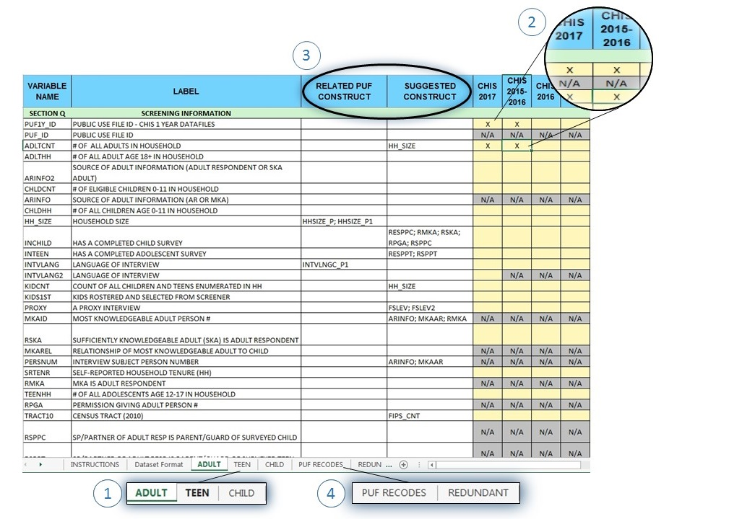
1 | Select Age Group
 | * Click on ADULT, TEEN, or CHILD tab to begin

2 | Select Variables
 | * Mark an uppercase 'X' in the yellow box under CHIS year
 | * Unavailable years are marked with grey boxes and 'N/A'
 | * Weight variables added automatically (TSVARSTR, TSVRUNIT, RAKEDW0-80)

3 | Understanding Constructed Variables
 | * RELATED PUF CONSTRUCT indicates there is a PUF version of the variable
 |  | * Refer to PUF RECODES tab for more details
 | * SUGGESTED CONSTRUCT recommends a constructed version of the variable
 |  | * These variables are recoded for easier use

4 | Using PUF RECODES & REDUNDANT tabs
 | * These tabs have little analytic usage
 | * Consult DAC staff before using at |  |  | dacchpr@em.ucla.edu

 | For more information, please visit the following link:
 | http://healthpolicy.ucla.edu/chis/analyze/Pages/CHIS-Data-Documentation.aspx
 | or e-mail us at |  | dacchpr@em.ucla.edu

